Sheet1
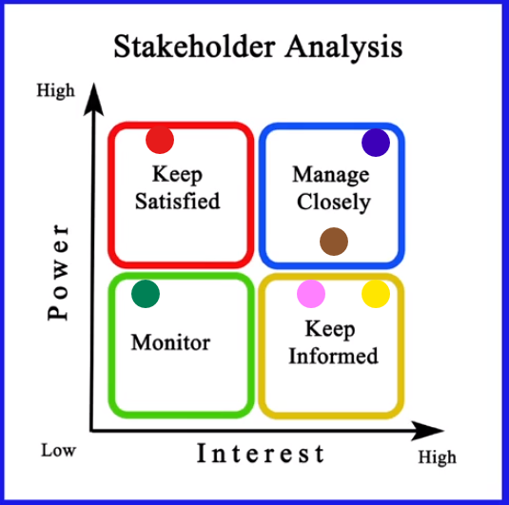
Stakeholder | Unaware | Resistant | Neutral | Supportive | Leading
clients of different companies |  | C |  | D
sponsers of my company |  |  | C | D
my team members |  |  |  | C D
Management team |  |  |  |  | C D
card supplier | C |  |  | D
Government representer |  |  | C | D

 |  | C: current | D: desired

Message / Purpose | Resposibility | Audience | Medium | Contents | Frequency / Timing
Project Status | NA | clients of different companies | Meeting | SV, Demo, Issues, Risks, Ask | Bi-weekly
Project Status | PM | sponsers of my company | Meeting | SV Issues, Risks, Ask | weekly
Project Review | PM | my team members | Meeting | CV.SV. Issues, Risks, Ask | weekly
Audit | QA | Management team | Meeting | Compliance, issues, Risks | weekly
Project Status Report | NA | card supplier | Meeting | Compliance, issues, Risks | Monthly
Audit | QA | Government representer | Email | SV. issues, Risks | Monthly

Stakeholder | Color
clients of different companies
sponsers of my company
my team members
Management team
card supplier
Government representer

